Dala Sales & Deliveries
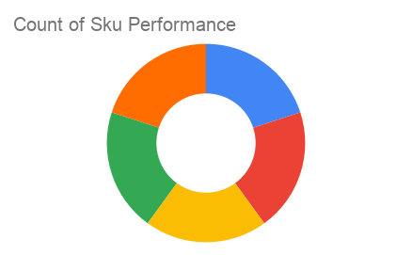
Total Invoices Delivered | 4.00 | Sku Performance | Units | Value
Unique Locations Supplied | 4.00 | OR- 350ml Orisirisi Wallnut with Ginger Drink (12x) | 1.50 | 32,400.00
Total Value of orders | 135,600.00 | OR- 500ml Orisirisi Tiger Nut Drink (12x) | 2.50 | 68,400.00
 |  | OR- 500ml Orisirisi Zobo with Date Drink (12x) | 1.50 | 34,800.00
 |  | OR- 350ml Orisirisi Wallnut Drink (12x) | 0.00 | 0.00
 |  | OR- 500ml Orisirisi Zobo Drink (12x) | 0.00 | 0.00
 |  |  | 0.00 | 0.00
 |  |  | 0.00 | 0.00
 |  |  | 0.00 | 0.00
 |  |  | 0.00 | 0.00
 |  |  | 0.00 | 0.00
 |  |  | 0.00 | 0.00
 |  |  | 0.00 | 0.00

